YY07
 | IIFL Dynamic Bond Fund

 | Fortnightly Portfolio Statement as on March 31,2023
 | Name of the Instrument | ISIN | Industry / Rating | Quantity | Market/Fair Value(Rs. in Lacs) | Rounded % to Net Assets | YTM
 | REIT/InvIT Instruments
 | (a) Listed / awaiting listing on Stock Exchanges
EOPR01 | Embassy Office Parks REIT | INE041025011 | Realty | 542,033 | 1692.06 | 2.72%
PIIT01 | Powergrid Infrastructure Investment Trust | INE0GGX23010 | Power | 308,691 | 378.21 | 0.61%
 | Sub Total |  |  |  | 2070.27 | 3.33%
 | (b) Unlisted |  |  |  | NIL | NIL
 | Sub Total |  |  |  | NIL | NIL
 | Total |  |  |  | 2070.27 | 3.33%
 | Debt Instruments
 | (a) Listed / awaiting listing on Stock Exchange
GOI4900 | 7.41% Government of India (19/12/2036) | IN0020220102 | SOVEREIGN | 9,000,000 | 9029.65 | 14.54% | 7.51%
GOI4584 | 7.26% Government of India (22/08/2032) | IN0020220060 | SOVEREIGN | 6,500,000 | 6475.48 | 10.42% | 7.45%
GOI4976 | 7.26% Government of India (06/02/2033) | IN0020220151 | SOVEREIGN | 5,500,000 | 5480.13 | 8.82% | 7.44%
GOI4485 | 7.38% Government of India (20/06/2027) | IN0020220037 | SOVEREIGN | 4,000,000 | 4027.90 | 6.48% | 7.31%
MEBP22 | 6.6861% Mindspace Business Parks REIT (17/05/2024) ** | INE0CCU07033 | CRISIL AAA | 4,000,000 | 3945.74 | 6.35% | 8.19%
RUPL36 | 6.4% Jamnagar Utilities & Power Private Limited (29/09/2026) ** | INE936D07174 | CRISIL AAA | 3,500,000 | 3329.24 | 5.36% | 8.04%
GOI3734 | 6.54% Government of India (17/01/2032) | IN0020210244 | SOVEREIGN | 3,000,000 | 2847.71 | 4.58% | 7.47%
LICH647 | 8.025% LIC Housing Finance Limited (23/03/2033) | INE115A07QH6 | CRISIL AAA | 2,500,000 | 2505.59 | 4.03% | 7.99%
GOI4979 | 7.64% State Government Securities (08/02/2033) | IN2120220065 | SOVEREIGN | 2,500,000 | 2494.51 | 4.02% | 7.82%
HDBF304 | 8.04% HDB Financial Services Limited (25/02/2026) ** | INE756I07EL8 | CRISIL AAA | 2,500,000 | 2489.08 | 4.01% | 8.20%
GOI4978 | 7.6% State Government Securities (08/02/2035) | IN1520220220 | SOVEREIGN | 2,500,000 | 2488.02 | 4.01% | 7.81%
HDFC1200 | 7.8% Housing Development Finance Corporation Limited (06/09/2032) ** | INE001A07TP5 | CRISIL AAA | 2,500,000 | 2472.31 | 3.98% | 7.96%
RPAT30 | 6.75% Sikka Ports and Terminals Limited (22/04/2026) ** | INE941D07208 | CRISIL AAA | 2,500,000 | 2422.23 | 3.90% | 7.93%
HDFC1134 | 5.78% Housing Development Finance Corporation Limited (25/11/2025) ** | INE001A07ST9 | CRISIL AAA | 2,500,000 | 2372.06 | 3.82% | 7.98%
GOI4449 | 7.54% Government of India (23/05/2036) | IN0020220029 | SOVEREIGN | 2,000,000 | 2026.07 | 3.26% | 7.52%
GOI4366 | 7.1% Government of India (18/04/2029) | IN0020220011 | SOVEREIGN | 2,000,000 | 1987.56 | 3.20% | 7.36%
GOI5002 | 7.71% State Government Securities (01/03/2033) | IN1520220253 | SOVEREIGN | 1,500,000 | 1508.77 | 2.43% | 7.77%
GOI5018 | 7.71% State Government Securities (08/03/2034) | IN1520220279 | SOVEREIGN | 1,500,000 | 1507.07 | 2.43% | 7.79%
IGIF26 | 8.4% India Grid Trust InvIT Fund (14/06/2023) ** | INE219X07090 | CRISIL AAA | 1,500,000 | 1500.00 | 2.41% | 7.93%
CHOL941 | 7.38% Cholamandalam Investment and Finance Company Ltd (31/07/2024) ** | INE121A07PN4 | ICRA AA+ | 1,500,000 | 1483.91 | 2.39% | 8.21%
GOI3639 | 5.74% Government of India (15/11/2026) | IN0020210186 | SOVEREIGN | 1,500,000 | 1432.27 | 2.31% | 7.30%
GOI5006 | 7.74% State Government Securities (01/03/2033) | IN2220220189 | SOVEREIGN | 1,000,000 | 1008.41 | 1.62% | 7.76%
GOI5045 | 7.74% State Government Securities (23/03/2043) | IN2120220131 | SOVEREIGN | 1,000,000 | 1005.03 | 1.62% | 7.84%
GOI4995 | 7.66% State Government Securities (22/02/2030) | IN1520220246 | SOVEREIGN | 661,400 | 663.58 | 1.07% | 7.74%
GOI1984 | 7.69% State Government Securities (20/12/2027) | IN1520170144 | SOVEREIGN | 500,000 | 506.26 | 0.82% | 7.50%
GOI1973 | 7.17% Government of India (08/01/2028) | IN0020170174 | SOVEREIGN | 500,000 | 499.45 | 0.80% | 7.32%
BKBA286 | 8.99% Bank of Baroda (18/12/2024) ** | INE028A08182 | CRISIL AA+ | 300,000 | 302.05 | 0.49% | 8.92%
 | Sub Total |  |  |  | 67810.04 | 109.17%
 | (b) Privately placed / Unlisted |  |  |  | NIL | NIL
 | Sub Total |  |  |  | NIL | NIL
 | Total |  |  |  | 67810.04 | 109.17%
 | TREPS / Reverse Repo
TRP_030423 | TREPS |  |  |  | 3451.71 | 5.56% | 6.81%
 | Sub Total |  |  |  | 3451.71 | 5.56%
 | Total |  |  |  | 3451.71 | 5.56%
 | Net Receivables / (Payables) |  |  |  | -11215.92 | -18.06%
 | GRAND TOTAL |  |  |  | 62116.11 | 100.00%

 | ** Thinly Traded / Non Traded Security

 | Tier 1 & 2 Bonds Disclosure as on 31 March 2023
 | BONDS | ISIN | Yield till Maturity* | Maturity (as per SEBI guidelines*) | Yield till Call | Yield to Call Maturity
 | 8.99% Bank of Baroda - NCD - M - Perpetual - 18-Dec-2099 - Call - 18-Dec-2024 | INE028A08182 | 8.92 | 31-Mar-53 | 8.48 | 18-Dec-24

 | (*) Twenty years from the date of allotment for Tier1 bonds and at maturity if before 20 years in case of Tier2 bonds

 | Disclosure Portfolio YTM for Debt Schemes
 | Scheme Name : | IIFL Dynamic Bond Fund
 | Description (if any)

 | Annualised Portfolio YTM* : | 7.8227

 | Macaulay Duration | 6.416
 | Residual Maturity | 9.1023

 | As on (Date) | 31-Mar-23

 | Risk-o-meter:

 | This product is suitable for investors who are seeking*
 | Income and long term gains | 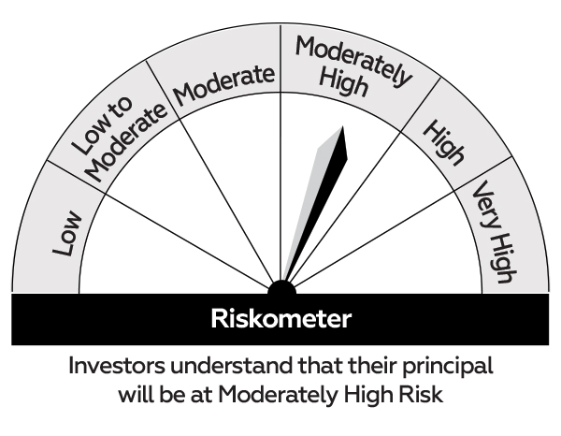 |  | 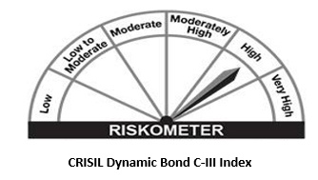
 | Investment in a range of debt and money market instruments of various maturities.
 | *Investors should consult their financial advisers if in doubt about whether the product is suitable for them.

YY09
 | IIFL- LIQUID FUND

 | Fortnightly Portfolio Statement as on March 31,2023
 | Name of the Instrument | ISIN | Rating | Quantity | Market/Fair Value(Rs. in Lacs) | Rounded % to Net Assets | YTM
 | Debt Instruments
 | (a) Listed / awaiting listing on Stock Exchange
HDBF282 | HDB Financial Services Limited (09/05/2023) (ZCB) | INE756I07DF2 | CRISIL AAA | 2,500,000 | 3017.84 | 5.79% | 8.59%
ENAM212 | Axis Finance Limited (10/05/2023) (ZCB) ** | INE891K07648 | CRISIL AAA | 1,000,000 | 990.93 | 1.90% | 8.57%
 | Sub Total |  |  |  | 4008.77 | 7.69%
 | (b) Privately placed / Unlisted |  |  |  | NIL | NIL
 | Sub Total |  |  |  | NIL | NIL
 | Total |  |  |  | 4008.77 | 7.69%
 | Money Market Instruments
 | Certificate of Deposit
SBAI218 | State Bank of India (03/04/2023) # | INE062A16473 | CARE A1+ | 2,500,000 | 2499.01 | 4.79% | 7.26%
CANB883 | Canara Bank (05/04/2023) ** # | INE476A16UP8 | CRISIL A1+ | 2,500,000 | 2497.96 | 4.79% | 7.45%
CANB891 | Canara Bank (27/04/2023) ** # | INE476A16UW4 | CRISIL A1+ | 2,500,000 | 2487.23 | 4.77% | 7.21%
UTIB1268 | Axis Bank Limited (28/04/2023) ** # | INE238AD6272 | CRISIL A1+ | 2,500,000 | 2486.81 | 4.77% | 7.17%
PUBA978 | Punjab National Bank (18/05/2023) # | INE160A16MY7 | CARE A1+ | 2,500,000 | 2476.99 | 4.75% | 7.21%
INBK401 | Indian Bank (09/06/2023) ** # | INE562A16LP4 | CRISIL A1+ | 2,500,000 | 2467.56 | 4.73% | 6.95%
 | Sub Total |  |  |  | 14915.55 | 28.60%
 | Commercial Paper
SIDB491 | Small Industries Dev Bank of India (03/04/2023) | INE556F14IP6 | CRISIL A1+ | 2,500,000 | 2499.06 | 4.79% | 6.90%
GOSL286 | Godrej Industries Limited (11/04/2023) ** | INE233A14XJ5 | CRISIL A1+ | 2,500,000 | 2494.55 | 4.78% | 7.98%
GOSL289 | Godrej Industries Limited (21/04/2023) ** | INE233A14XO5 | ICRA A1+ | 2,500,000 | 2489.77 | 4.77% | 7.50%
NBAR697 | National Bank For Agriculture and Rural Development (24/04/2023) | INE261F14JL0 | CRISIL A1+ | 2,500,000 | 2488.63 | 4.77% | 7.25%
RRVL98 | Reliance Retail Ventures Limited (17/05/2023) ** | INE929O14966 | CRISIL A1+ | 2,500,000 | 2477.37 | 4.75% | 7.25%
HDFC1185 | Housing Development Finance Corporation Limited (17/05/2023) ** | INE001A14YV9 | CRISIL A1+ | 2,500,000 | 2477.18 | 4.75% | 7.31%
NBAR706 | National Bank For Agriculture and Rural Development (24/05/2023) ** | INE261F14JP1 | CRISIL A1+ | 2,500,000 | 2474.13 | 4.74% | 7.20%
RRVL99 | Reliance Retail Ventures Limited (26/05/2023) | INE929O14974 | CRISIL A1+ | 2,500,000 | 2472.98 | 4.74% | 7.25%
 | Sub Total |  |  |  | 19873.66 | 38.11%
 | Treasury Bill
TBIL2152 | 91 Days Tbill (MD 13/04/2023) | IN002022X411 | SOVEREIGN | 2,500,000 | 2494.55 | 4.78% | 6.65%
 | Sub Total |  |  |  | 2494.55 | 4.78%
 | Total |  |  |  | 37283.76 | 71.49%
 | TREPS / Reverse Repo
TRP_030423 | TREPS |  |  |  | 10521.08 | 20.17% | 6.81%
 | Sub Total |  |  |  | 10521.08 | 20.17%
 | Total |  |  |  | 10521.08 | 20.17%
 | Net Receivables / (Payables) |  |  |  | 337.24 | 0.65%
 | GRAND TOTAL |  |  |  | 52150.85 | 100.00%

 | ZCB - Zero Coupon Bond
 | ** Thinly Traded / Non Traded Security
 | # Unlisted Security

 | Disclosure Portfolio YTM for Debt Schemes
 | Scheme Name : | IIFL Liquid Fund
 | Description (if any)

 | Annualised Portfolio YTM* : | 7.2509

 | Macaulay Duration | 0.0693
 | Residual Maturity | 0.0695

 | As on (Date) | 31-Mar-23

 | Risk-o-meter:

 | This product is suitable for investors who are seeking*
 | Income over short term horizon | 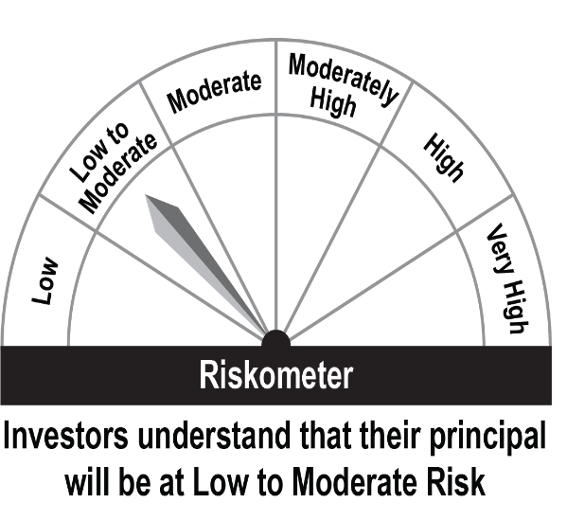 |  | 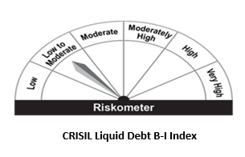
 | Investments in money market and short term debt instruments, with maturity not exceeding 91 days.
 | *Investors should consult their financial advisors if in doubt about whether the product is suitable for them.

