Riskometers
 | This product is suitable for investors who are seeking*
360 ONE Dynamic Bond Fund | Income and long term gains |  | As per AMFI Tier I Benchmark i.e. CRISIL Dynamic Bond A-III Index
 | Investment in a range of debt and money market instruments of various maturities.
*Investors should consult their financial advisers if in doubt about whether the product is suitable for them.

 | This product is suitable for investors who are seeking*
360 ONE Liquid Fund | Income over short term horizon |  | As per AMFI Tier I Benchmark i.e. CRISIL Liquid Debt A-I Index
 | Investments in money market and short term debt instruments, with maturity not exceeding 91 days.
*Investors should consult their financial advisers if in doubt about whether the product is suitable for them.

 | This product is suitable for investors who are seeking*
360 ONE Focused Fund | Capital appreciation over long term; | 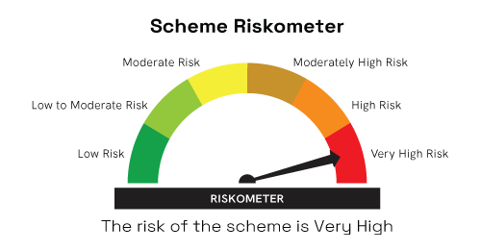 | 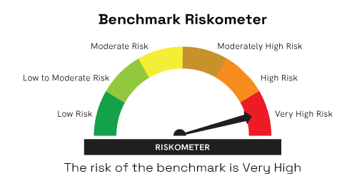 As per AMFI Tier I Benchmark i.e. BSE 500 TRI
 | Investment predominantly in equity and equity related instruments;
*Investors should consult their financial advisers if in doubt about whether the product is suitable for them.

 | This product is suitable for investors who are seeking*
360 ONE QUANT FUND | capital appreciation over long term; |  | As per AMFI Tier I Benchmark i.e, BSE 200 TRI
 | Investment predominantly in equity and equity related instruments selected based on quant model
*Investors should consult their financial advisers if in doubt about whether the product is suitable for them.

 | This product is suitable for investors who are seeking*
360 ONE ELSS Tax Saver Nifty 50 Index Fund | capital appreciation over long term; |  | As per AMFI Tier I Benchmark i.e. Nifty 50 TRI
 | Investment in stocks comprising the Nifty 50 Index in the same proportion as in the index to achieve returns equivalent to the Total Returns Index of Nifty 50 Index, subject to tracking errorwhile offering deduction under Section 80C of IT Act, 1961
*Investors should consult their financial advisers if in doubt about whether the product is suitable for them.

 | This product is suitable for investors who are seeking*
360 ONE FLEXICAP FUND | capital appreciation over long term |  | As per AMFI Tier I Benchmark i.e. BSE 500 TRI
 | Investment predominantly in equity and equity related instruments across market capitalization
*Investors should consult their financial advisers if in doubt about whether the product is suitable for them.

 | This product is suitable for investors who are seeking*
360 ONE Balanced Hybrid Fund | To create wealth and income in the long term |  | As per AMFI Tier I Benchmark i.e.Nifty 50 Hybrid Composite Debt 50:50 Index
 | Investment in equity and equity related securities and fixed income instruments.
*Investors should consult their financial advisers if in doubt about whether the product is suitable for them.

 | This product is suitable for investors who are seeking*
360 ONE GOLD ETF | Long term capital appreciation |  | As per AMFI Tier I Benchmark i.e. Domestic prices of Gold
 | Investment in gold in order to generate returns similar to the performance of the gold, subject to tracking errors.
*Investors should consult their financial advisers if in doubt about whether the product is suitable for them.

 | This product is suitable for investors who are seeking*
360 ONE Silver ETF | To create wealth and income in the long term |  | As per AMFI Tier I Benchmark i.e. Domestic Prices of Silver
 | Returns that are in line with the performance of Silver over the long term, subject to tracking errors.
*Investors should consult their financial advisers if in doubt about whether the product is suitable for them.

 | This product is suitable for investors who are seeking*
360 ONE Overnight Fund | Regular income with high levels of safety and liquidity over short term. |  | As per AMFI Tier I Benchmark i.e. NIFTY 1D Rate Index
 | Investment in debt and money market instruments with overnight maturity.
*Investors should consult their financial advisers if in doubt about whether the product is suitable for them.

 | This product is suitable for investors who are seeking*
360 ONE Multi Asset Allocation Fund | To create wealth and income in the long term |  | As per AMFI Tier I Benchmark i.e. BSE 500 TRI – 25% + NIFTY Composite Debt Index – 45% + Domestic prices of Gold and Silver (30%)
 | Investment in multiple asset classes
*Investors should consult their financial advisers if in doubt about whether the product is suitable for them.

MUTUAL FUND INVESTMENTS ARE SUBJECT TO MARKET RISKS, READ ALL SCHEME RELATED DOCUMENTS CAREFULLY

